Instructions
Income Record Instructions

 | Included below are instructions for:
 |  | 1) Cash & Cheque income
 |  | 2) ParentPay and PayPoint income
 | 1) Cash & Cheque Income

 | Please follow the following instructions when completing the Income Record form. Information should be completed in the format requested, where applicable, as informtion included on this form is used to automatically upload the data into PSF. All green cells should be completed, except where there is insufficient information to do so i.e. there are less than 15 lines of income on a paying slip to be recorded. A single Income Record should be completed for each school in any given month, showing all Cash / Cheques received, recorded per paying in slip, as appropriate and all ParentPay and PayPoint Information.

Select the school location code using the dropdown list.
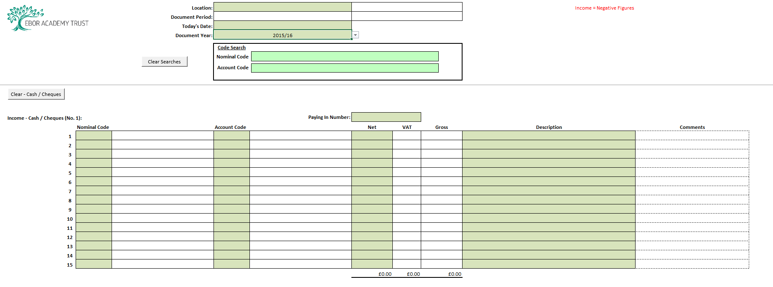
Enter today's date in the format DD/MM/YYYY

Select the Financial Year using the dropdown list

Search for Nominal Codes and Account Codes using these search boxes. Begin to type a single or multiple letter(s) or number(s) to narrow down the list to the most applicable codes. Once you have found the code you need, navigate away from the search by selecting any other cell. Please note: this is a search function only and does not appear on the actual form until typed into the appropriate place by the user.

Clears all green cells, this operation cannot be reversed so only use when you need every entry to be deleted.

Enter Paying In number.

Enter the Nominal code using either, the dropdown list or free type into the cell. The cell will accept a code that does not exist, however a warning will be displayed in the next cell to advise the user it needs re-entering correctly.
Enter the Account code using either, the dropdown list or free type into the cell. The cell will accept a code that does not exist, however a warning will be displayed in the next cell to advise the user it needs re-entering correctly.
Enter the Net amount, as a negative value i.e. -£10.00

Enter a meaningful description to describe the income received and, if applicable, a time period i.e. Dinner Money week 1 May 16.
Please note: the narrative entered is wil appear on reports generated through PSF.
You can include additional details here, please note however, these comments will not appear in PSF.

 | 2) ParentPay & PayPoint Income

 | Please follow the following instructions when completing the Income Record form. Information should be completed in the format requested, where applicable, as informtion included on this form is used to automatically upload the data into PSF. All green cells should be completed, except where there is insufficient information to do so i.e. there are less than 15 lines of income on the ParentPay / PayPoint Statement to be recorded. A single Income Record should be completed for each school in any given month, showing all Cash / Cheques received, recorded per paying in slip, as appropriate and all ParentPay and PayPoint Information.

Select the school location code using the dropdown list.

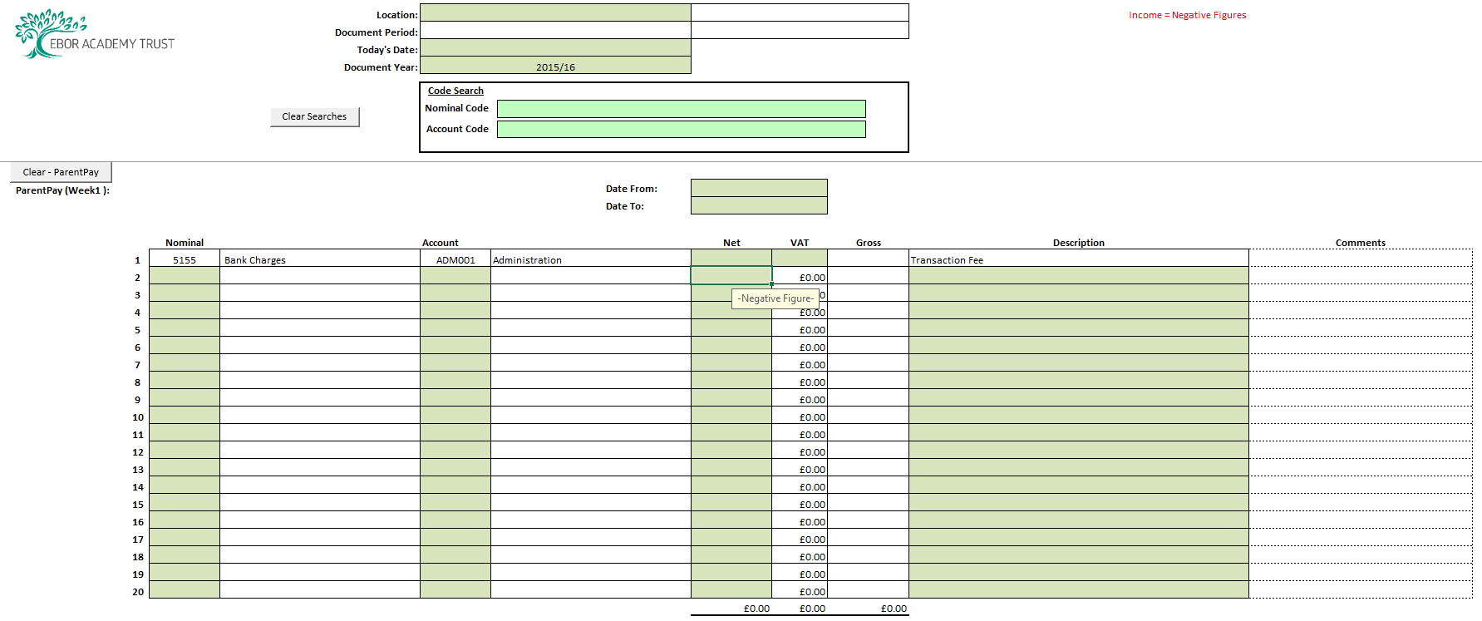
Enter today's date in the format DD/MM/YYYY

Select the Financial Year using the dropdown list

Search for Nominal Codes and Account Codes using these search boxes. Begin to type a single or multiple letter(s) or number(s) to narrow down the list to the most applicable codes. Once you have found the code you need, navigate away from the search by selecting any other cell. Please note: this is a search function only and does not appear on the actual form until typed into the appropriate place by the user.

Enter the Transaction date period in the format DDMMYYYY
Clears all green cells, this operation cannot be reversed so only use when you need every entry to be deleted.
Enter the Total Payment Service Fee amount, as a positive value i.e. +£10.00
Enter the Total VAT on Fees amount, as a positive value i.e. +£2.00

Enter the Nominal code using either, the dropdown list or free type into the cell. The cell will accept a code that does not exist, however a warning will be displayed in the next cell to advise the user it needs re-entering correctly.
You can include additional details here, please note however, these comments will not appear in PSF.
Enter the Account code using either, the dropdown list or free type into the cell. The cell will accept a code that does not exist, however a warning will be displayed in the next cell to advise the user it needs re-entering correctly.
Enter a meaningful description to describe the income received and, if applicable, a time period i.e. Dinner Money week 1 May 16.
Please note: the narrative entered is wil appear on reports generated through PSF.
Enter the Paid less refunds amount, as a negative value i.e. -£10.00

This figure must agree to the Net Settlement on the ParentPay / PayPoint transaction list or Statement Summary.

